Q1
Question


Roll No | ENG | HINDI | SCIENCE | MATHS | SO SCI
110 | 45 | 56 | 67 | 78 | 60
1 | 3 | 2 | 1 | 1 | 1

Q3
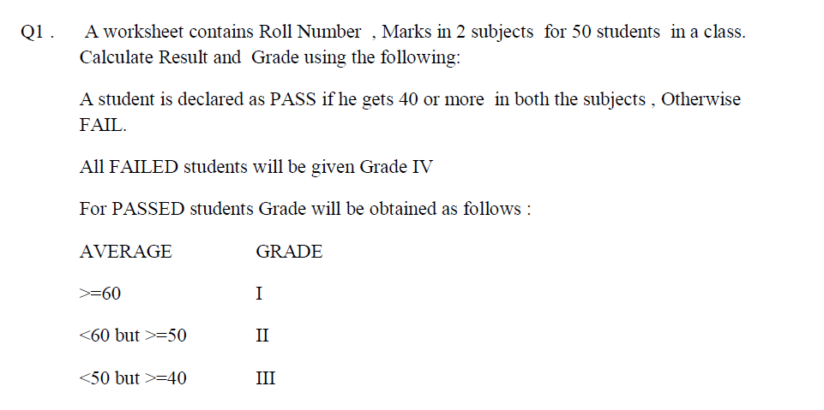
Question

Roll Number | Marks 1 | Marks 2 | Average | Result | Grade
1 | 30 | 46 | 38 | 76 | IV
2 | 58 | 36 | 47 | 94 | III
3 | 89 | 34 | 61.5 | 123 | I
4 | 36 | 71 | 53.5 | 107 | II
5 | 95 | 63 | 79 | 158 | I
6 | 87 | 60 | 73.5 | 147 | I
7 | 63 | 57 | 60 | 120 | I
8 | 90 | 61 | 75.5 | 151 | I
9 | 72 | 88 | 80 | 160 | I
10 | 61 | 72 | 66.5 | 133 | I

Q5
Question
A worksheet contains Name and Marks in 3 subjects. Calculate Total Marks and create the following charts:
a) 3D Pie Chart for Total Marks
b) 2D Line Chart for Subject 1 and Subject 3
c) 2D Column Chart for all subjects
d) Stacked Column Chart for all subjects

NAME | SUB 1 | SUB 2 | SUB 3 | TOTAL MARKS
Deep | 30 | 34 | 44 | 108
Jayesh | 40 | 35 | 45 | 120
Yash | 45 | 36 | 47 | 128
Sara | 48 | 32 | 50 | 130
Gita | 35 | 32 | 43 | 110
Jinal | 32 | 31 | 37 | 100
Kavita | 36 | 28 | 38 | 102
Minal | 23 | 25 | 40 | 88
Naresh | 43 | 27 | 50 | 120
Rima | 37 | 44 | 46 | 127

